Sheet1
Author | Year | Link in Mendeley | Problem | Method | Conclusion | Picture | source code
Wang R, et al | 2020 |  | 2D Reyleigh Benard Convection, Plates where lower plate is heated. (Involve Temperature). (1500 images, predict velocity fileds up to 60 steps ahead given 10 initial frames) | Seperate flow into 3 diff scales, and advance each scales by using deep learning (U-net), add constraint by condition of zero convergence | higher accuracy and smaller times than other baseline DL architecture
Reichstein, et al | 2019 |  | Literature review and provide insight on problem and challenges in integrating machine learning to geoscience application |  | 5 major challenges: interpretability, physical consistency. Complex and uncertain data, limited labels, computational demand . 5 integration data-model: 1. Improve parameterization, 2. Replacing physical submodel with ML model, 3. Analyisis of model-observation mismatch 4. Constraining sub-models 5. Surrogate model | 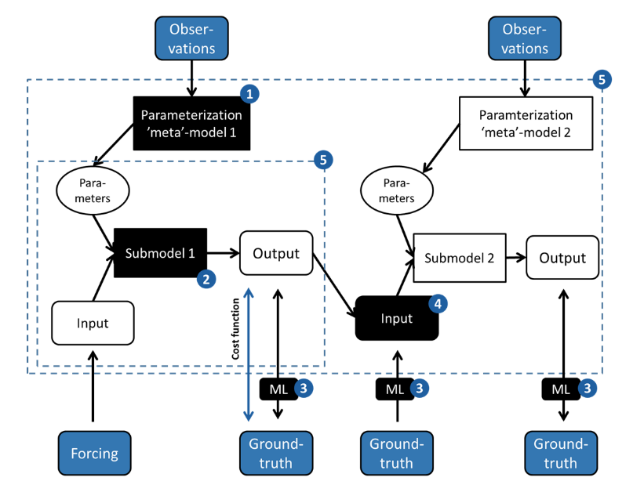
Pawar S, et al | 2020 |  | Two dimensional co-rotating vortex simulation | combine ROM and learn unknown physics by data. Two framework for hidden physics : LR with quadratic model, and DL by LSTM architecture. ETC: segregate correction with evolution phase | ETC framework especially with LSTM correction can accurately predict the evolution of vorticity dynamics. (LSTM has larger degree of freedom) | 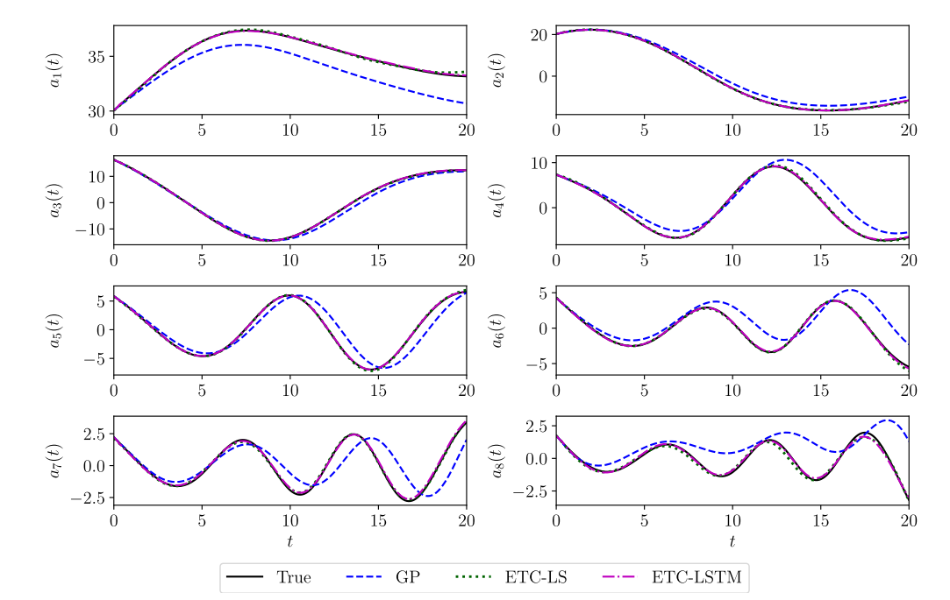
Maulik S, et al | 2020 |  | Advected-Dominated PDE: Burger and Shallow Water Equation | Combine CAE (Convolution Auto Encoder) and RNN for time marching. Encode field then Evolve in time afterwards decode into full scale | CAE-RNN better than POD Galerkin Technique | 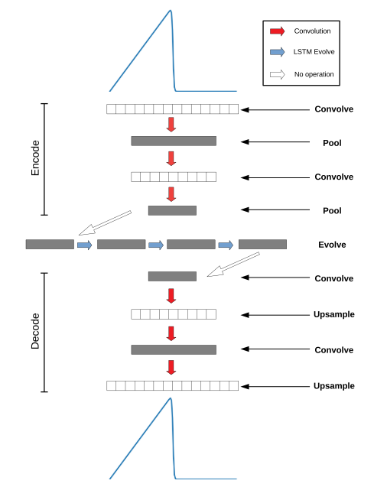 | https://github.com/Romit-Maulik/CAE LSTM ROMS
Praditia T, et al | 2021 |  | Transient Diffusion Problem | Learn Flux Kernels inspired by the Finite Volume Approach. Ensuring Conservative Fluxes and Different BC | Better Generalization compared to TCN, ConvLSTM, DISTANA with smaller number of parameters |  | https://github.com/timothypraditia/finn
Kochov, D. et al | 2021 |  | Kolmogorov flow solved by Direct Numerical Simulation and LES | Learn interpolation scheme based on downgraded DNS on fine grid, and learn correction on course grid | Can achieve higher accuracy and maintain energy spectrum compareable with DNS with finer grid.
Milaković, et al | 2020 |  | estimating speed profile in a complex ice field | Based on field data measurement of ship parameter, momentum parameter and enviromental parameter. Compare several ML model to learn from the data | ANN with 2 hidden layer has the best performance
Bar-Sinai, et al | 2019 |  | Learn coefficient of coarse grid by learning from fine grid simulation. Implemented for solving Burger, KdV, KS equation

